Screenshots

6

19

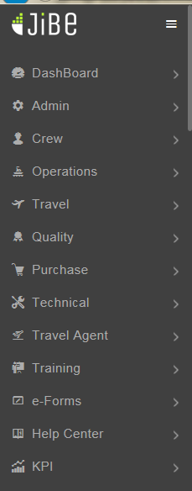
21

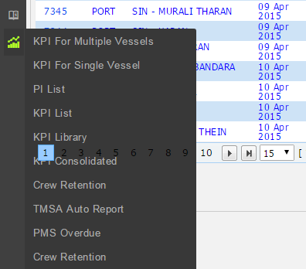
22

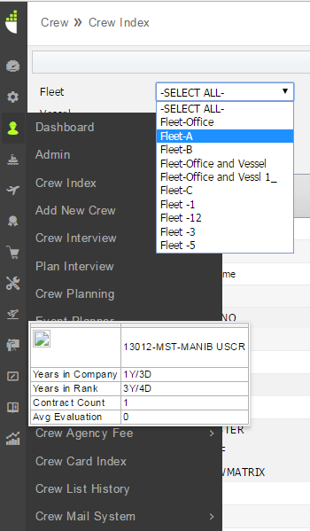
24

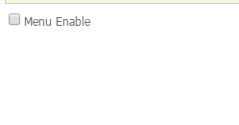
27

 | Menu Design

 |  |  |  |  |  |  |  | Local Jibe

29

30

31

 |  | Admin > Office Settings> Office Attachment Rule |  |  |  |  |  |  |  |  |  |  | Admin >Office Settings> Vessel Attachment Rule

32

 |  |  | Admin > Office Settings > Crew - Joining Types |  |  |  |  |  |  |  |  |  | Local Jibe

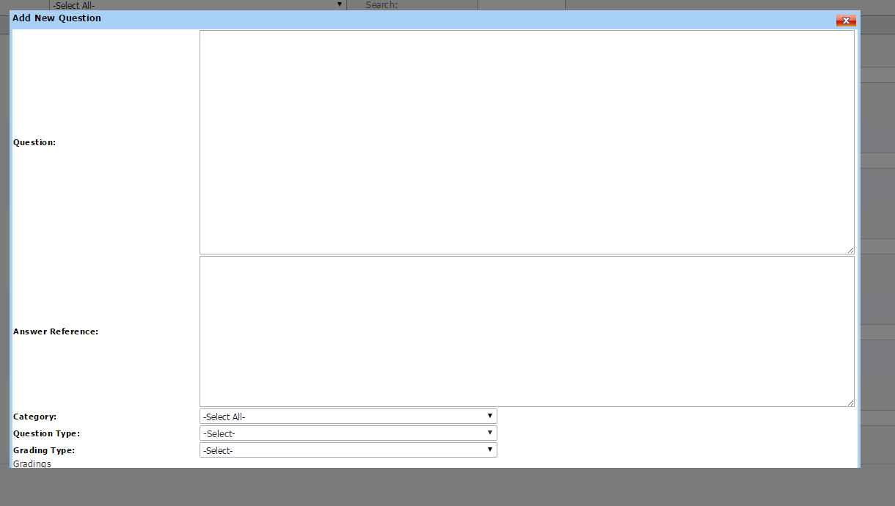
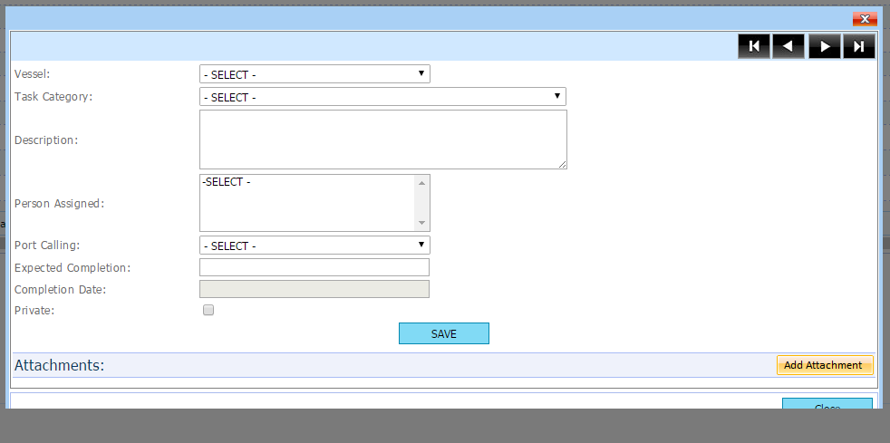
33

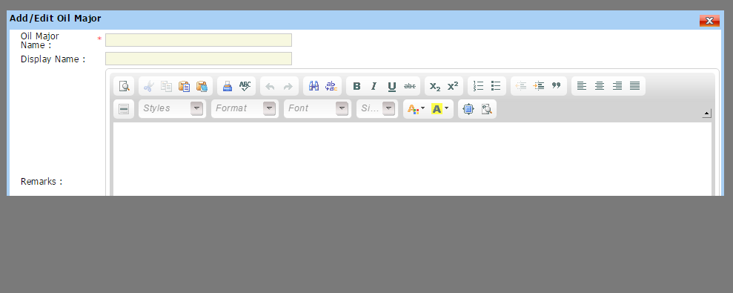
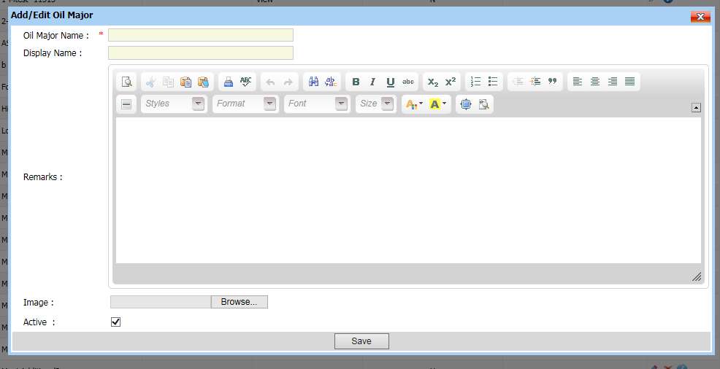
36

 |  |  | Crew > Admin> Oil Majors

 |  |  |  |  |  |  |  |  |  |  |  |  |  |  |  | Local Jibe

39

 |  |  |  |  | Menu Design

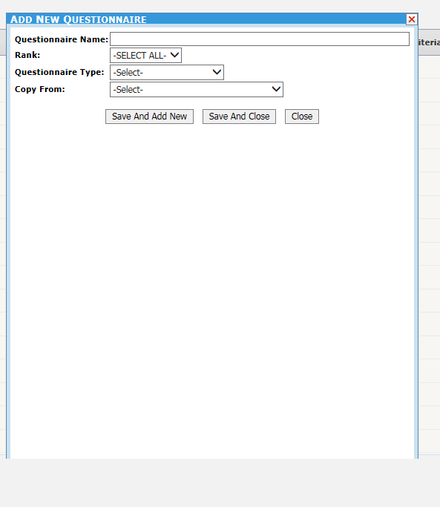
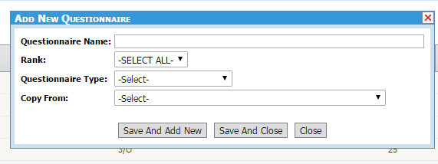
40

 |  |  |  |  |  |  |  |  |  |  | Local Jibe

 |  |  |  | Menu Design

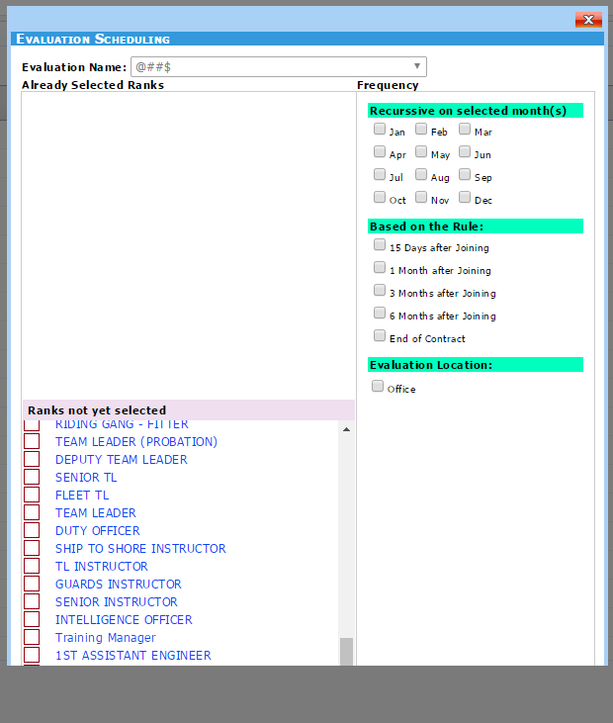
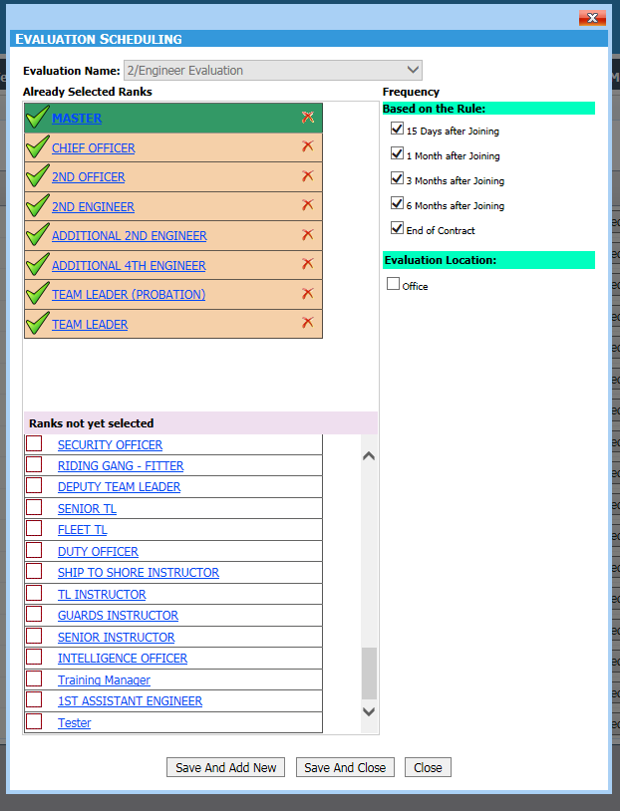
41

 |  | Crew >Crew Evaluation > Evaluation Planning |  |  |  |  | Menu Design
 |  |  |  |  |  |  |  |  |  |  | Actual

44

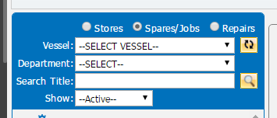
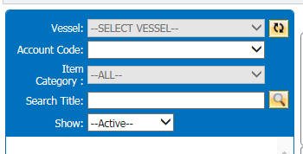
48

 |  |  | MenuDesign |  |  |  |  |  | Local Jibe

49

 |  |  |  |  | MenuDesign |  |  |  |  |  |  |  |  | Local Jibe

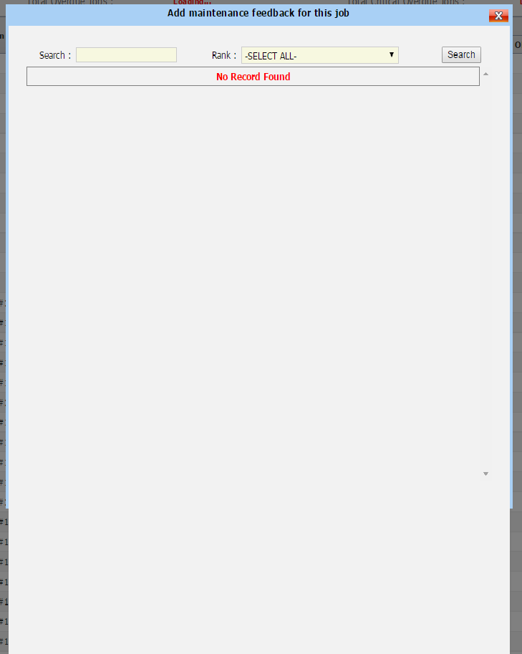
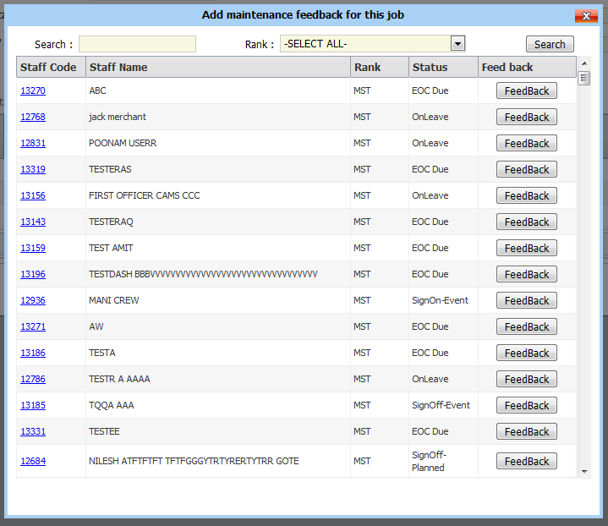
50

 |  |  |  |  |  |  |  |  |  |  |  | Local Jibe

 |  |  |  | MenuDesign

51

 |  |  | MenuDesign |  |  |  |  |  |  | Local Jibe

52

54

 |  |  |  |  |  |  | KPI > Crew Retention New |  |  |  |  |  |  |  |  |  | Local Jibe

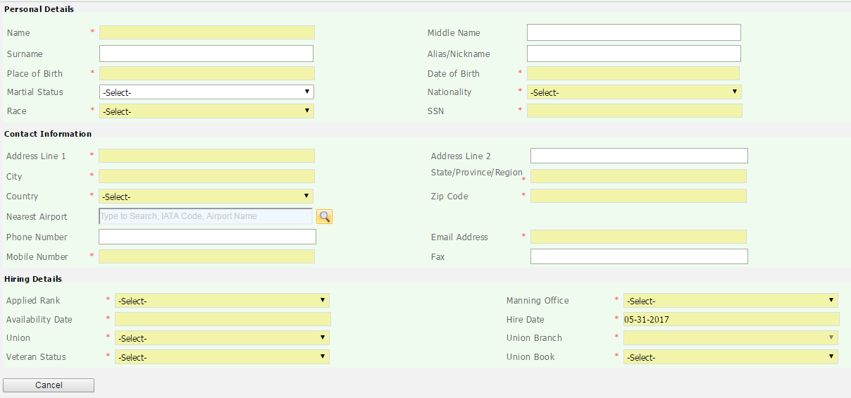
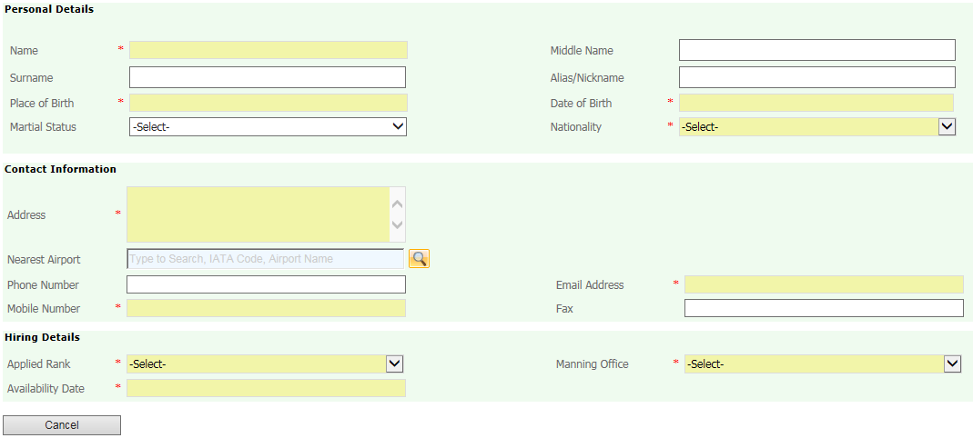
55

 |  |  |  |  |  |  | MenuDesign |  |  |  |  |  |  |  |  |  | Local Jibe

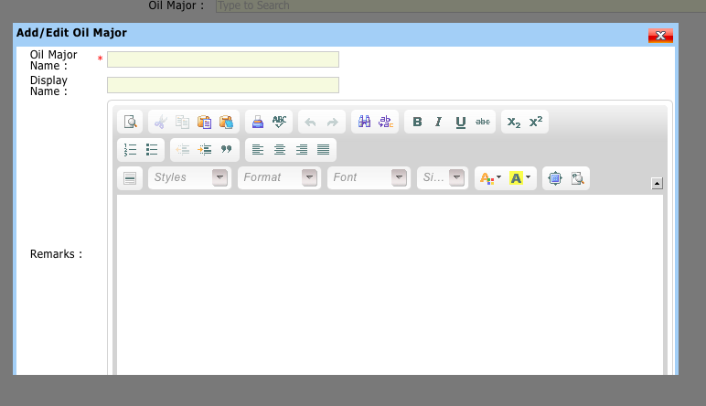
56

 |  |  |  |  |  | Menu Design

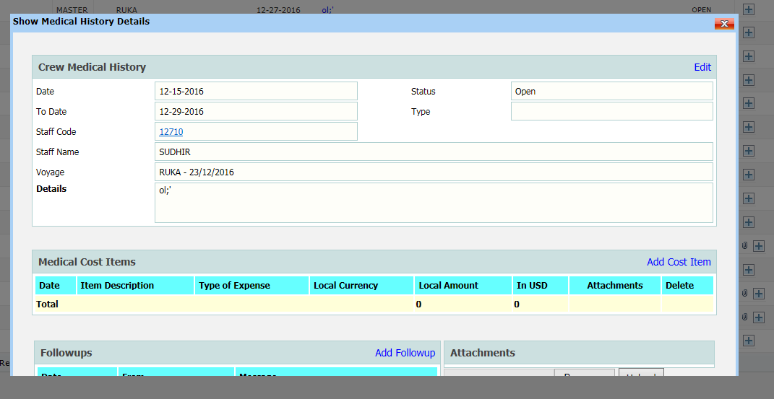
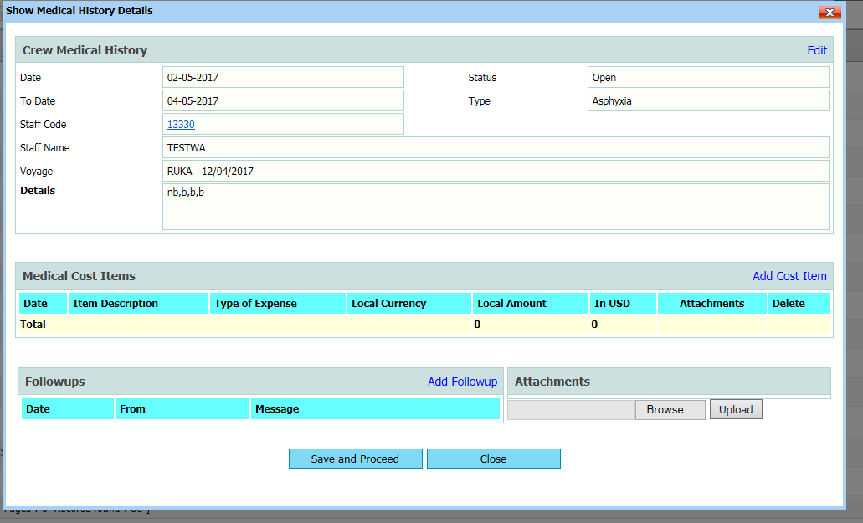
57

 |  |  |  |  | Actual |  |  |  |  |  |  |  | Local Jibe

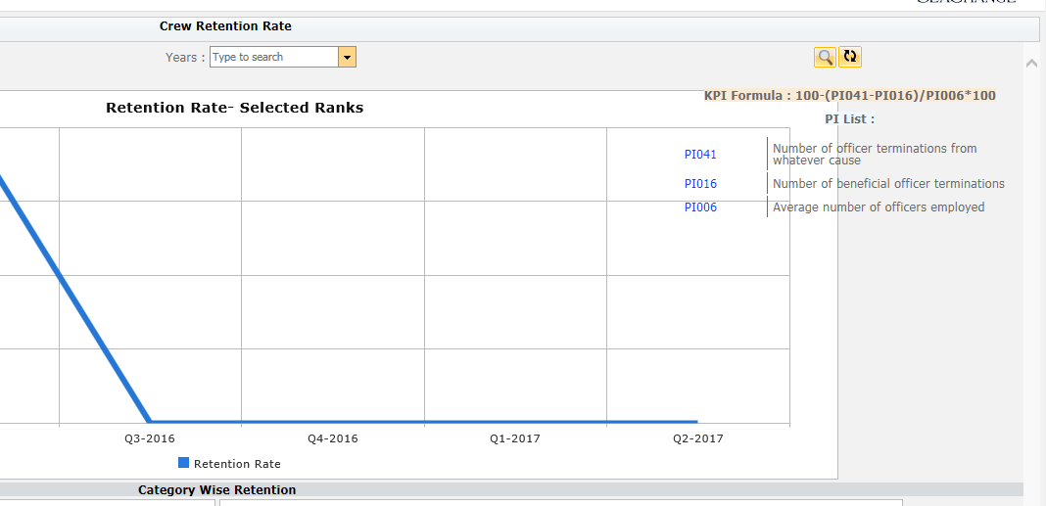
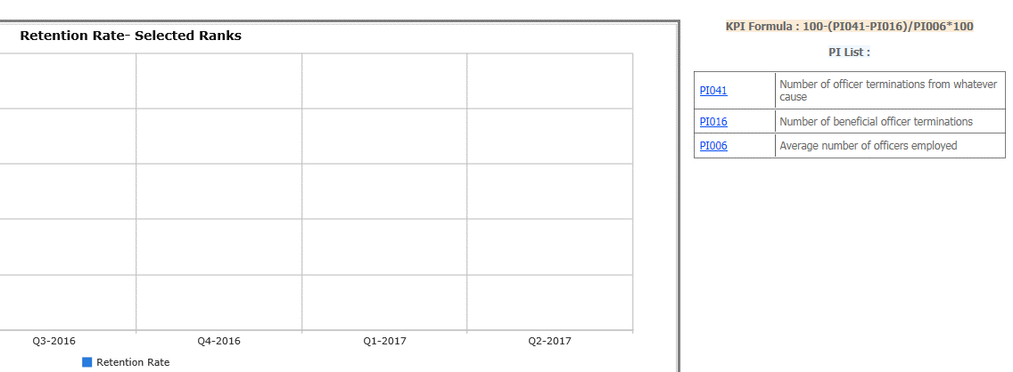
58

 |  |  |  |  |  | Actual |  |  |  |  |  |  |  |  | Local Jibe

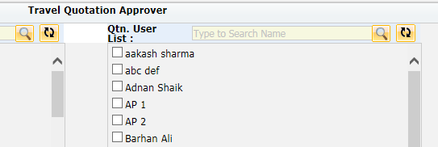
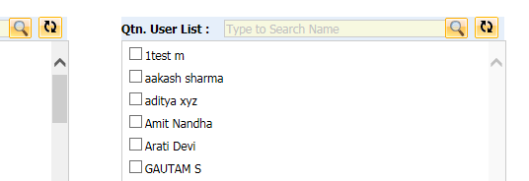
59

 |  |  |  |  | Actual |  |  |  |  |  | Local Jibe

61

 |  |  | Actual |  |  |  |  |  | Local Jibe

63

 |  |  |  | Actual |  |  |  |  |  |  |  | Local Jibe

53

 |  |  |  | Actual |  |  |  |  |  |  |  | Local Jibe

64

 |  |  |  |  |  | Actual |  |  |  |  |  |  |  |  | Local Jibe

65

 |  | Actual |  |  |  |  |  | Local Jibe

67

 |  |  |  |  | MAC

69

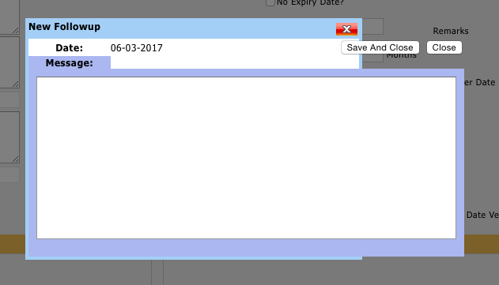
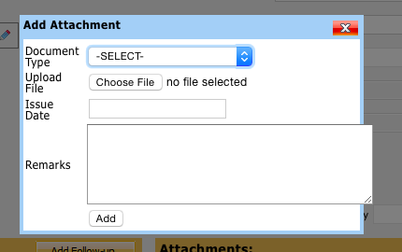
71

 |  |  |  |  |  |  |  |  |  |  |  |  |  |  | Local Jibe

 |  |  |  |  | MAC

